2151942-1
2151942-1 APPLICATOR
SERIAL # | (INFO NEEDED)

DESCRIPTION | Mechanical Feed, OCEAN, Male Adapter Post - Atlantic Style Interface, 30 mm (1.12") Stroke Terminator / 40 mm (1.62") Stroke Terminator, Applicators

RUNS | 1535
 | 42475-3
 | 42475-4
 | 42475-5

DRAWINGS | ENG_PD_2151942_C.pdf

DATA SHEETS | ENG_DS_1-1773864-9_B.pdf

INSTUCTION SHEETS | ENG_SS_408-35114_E.pdf
 | ENG_SS_408-8059_H.pdf

PHOTO | 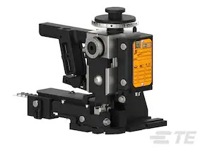

WC-121
WC-121
SERIAL # | (INFO NEEDED)

DESCRIPTION | Hand Tool, Rectangular Contacts, Side Entry, 22-28 AWG, SM Series

RUNS | Rectangular Contacts
 | SYM-001T-PO.6

DRAWINGS

DATA SHEETS | Hand and Crimping Tools

INSTUCTION SHEETS

PHOTO | 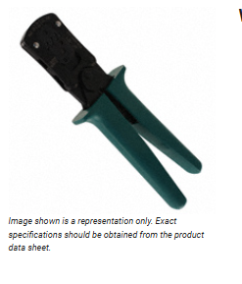

2150539-2
2150539-2 APPLICATOR
SERIAL # 1158506

DESCRIPTION | Pneumatic Feed, OCEAN, Male Adapter Post - Atlantic Style Interface, 30 mm (1.12") Stroke Terminator / 40 mm (1.62") Stroke

RUNS | 8911, 1217096-1, 1217114-2, 1217114-1, 1217096-2
 | 161500-2

DRAWINGS | https://www.te.com/en/product-2150539-2.html

DATA SHEETS

INSTUCTION SHEETS

PHOTO | 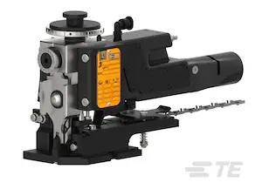

SPARE/WEAR TOOLING AVAILABLE

456409-3 CRIMPER WIRE .120 F | 233 | https://www.te.com/en/product-456409-3.html

3-1633961-6 CRIMPER, INSULATION F PREMIUM | 181 | https://www.te.com/en/product-3-1633961-6.html

2217206-4 Blade, Slug | 194 | https://www.te.com/en/product-2217206-4.html

7-1803001-6 ANVIL,COMBINATION, END FEED | 218 | https://www.te.com/en/product-7-1803001-6.html

1385871-1
1385871-1 APPLICATOR ----OBSOLETE
SERIAL # | 633314

DESCRIPTION

RUNS | NA- NOT USED

DRAWINGS

DATA SHEETS

INSTUCTION SHEETS

PHOTO | 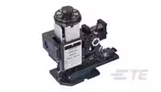 1385871-1

2151034-2
Applicator 2151034-2
SERIAL # | 1036411, 1036410

DESCRIPTION | Pneumatic Feed, OCEAN, Male Adapter Post - Atlantic Style Interface, 30 mm (1.12") Stroke Terminator / 40 mm (1.62") Stroke Terminator, Applicators

RUNS | ACI00158, ACI01671, ACI01575, ACI00357, ACI01842, ACI01433,
 | 2-520261-2, 2-520183-2, 2-520102-1, 2-521104-2, -520183-4
 | 2-520181-2, 2-521102-2, 2-521406-2, , 2-521308-2, 2-520102-2
 | 9-520193-2, 2-520263-4, 2-520263-2,2-520274-2 ,2-520181-4

DRAWINGS | https://www.te.com/commerce/DocumentDelivery/DDEController?Action=srchrtrv&DocNm=1-1773864-9&DocType=Data%20Sheet&DocLang=English&DocFormat=pdf&PartCntxt=2151034-2

DATA SHEETS | https://www.te.com/commerce/DocumentDelivery/DDEController?Action=srchrtrv&DocNm=1-1773864-9&DocType=Data%20Sheet&DocLang=English&DocFormat=pdf&PartCntxt=2151034-2

INSTUCTION SHEETS | https://www.te.com/commerce/DocumentDelivery/DDEController?Action=srchrtrv&DocNm=408-35114&DocType=Specification%20Or%20Standard&DocLang=English&DocFormat=pdf&PartCntxt=2151034-2
 | https://www.te.com/commerce/DocumentDelivery/DDEController?Action=srchrtrv&DocNm=408-8059&DocType=Specification%20Or%20Standard&DocLang=English&DocFormat=pdf&PartCntxt=2151034-2

PHOTO | 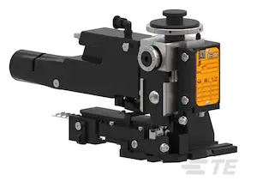

SPARE/WEAR TOOLING:

2280441-1 INSERT SHEAR, REAR CARRIER | https://www.te.com/en/product-2280441-1.html | 144.98

464290-1 CRIMPER, SEMI-FLAT 22-18 | https://www.te.com/en/product-464290-1.html | 181.81

464291-4 ANVIL, SAND-BLASTED 22-18 | https://www.te.com/en/product-464291-4.html | 196.77

469542-3 FLOATING SHEAR | https://www.te.com/en/product-469542-3.html | 297.5

2119862-2 SHEAR HOLDER, REAR | https://www.te.com/en/product-2119862-2.html | 395.66

7-2151034-7 OCEAN_2.0_SPARE_PART_KIT-176O | https://www.te.com/en/product-7-2151034-7.html | 703.72

2150237-1
2150237-1 APPLICATOR
SERIAL #

DESCRIPTION | Mechanical Feed, OCEAN, Male Adapter Post - Atlantic Style Interface, 30 mm (1.12") Stroke Terminator / 40 mm (1.62") Stroke

RUNS | 2270, 41450, 41450-3, 41450-2, 42437-2, 42437-5, 63435-1, 41450-1, 61095-1
 | 63365-2, 2161500-2

DRAWINGS | https://www.te.com/commerce/DocumentDelivery/DDEController?Action=srchrtrv&DocNm=2150237&DocType=Production%20Drawing&DocLang=English&DocFormat=pdf&PartCntxt=2150237-1

DATA SHEETS | https://www.te.com/commerce/DocumentDelivery/DDEController?Action=srchrtrv&DocNm=1-1773864-9&DocType=Data%20Sheet&DocLang=English&DocFormat=pdf&PartCntxt=2150237-1

INSTUCTION SHEETS | https://www.te.com/commerce/DocumentDelivery/DDEController?Action=srchrtrv&DocNm=408-10390&DocType=Specification%20Or%20Standard&DocLang=English&DocFormat=pdf&PartCntxt=2150237-1
 | https://www.te.com/commerce/DocumentDelivery/DDEController?Action=srchrtrv&DocNm=408-35114&DocType=Specification%20Or%20Standard&DocLang=English&DocFormat=pdf&PartCntxt=2150237-1
 | https://www.te.com/commerce/DocumentDelivery/DDEController?Action=srchrtrv&DocNm=408-8059&DocType=Specification%20Or%20Standard&DocLang=English&DocFormat=pdf&PartCntxt=2150237-1
PHOTO | 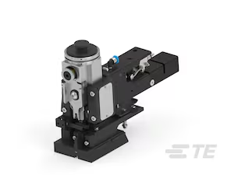

SPARE/WEAR TOOLING
456410-4 CRIMPER, WIRE .130 "F" | 181 | https://www.te.com/en/product-456410-4.html

1-1333221-7 ANVIL, EF .130 | 221 | https://www.te.com/en/product-1-1333221-7.html

7-2150237-7 OCEAN_2.0_SPARE_PART_KIT-130F210 | 715 | https://www.te.com/en/product-7-2150237-7.html

2217206-5 Blade, Slug | 400 | https://www.te.com/en/product-2217206-5.html

